Contents
Table of contents

Cover sheet
3. Statement of pipeline assets (continued)

3.3 Depreciation
1. Pipeline information

1.1 Financial performance
3.4 Shared supporting assets

2. Revenues and expenses
4. Recovered capital

2.1 Revenue by service
4.1 Pipelines capex

5. Weighted average price
2.2 Revenue contributions

5.1 Exempt WAP services
2.3 Indirect revenue

6. Notes
2.4 Shared costs

3. Statement of pipeline assets

3.1 Pipeline asset useful life

3.2 Pipeline asset impairment

1. Pipeline information
Contents
Contents
Contents
Pipeline information
APA OPERATIONS PTY LIMITED
Year ending | 30/06/2019

Table 1.1: Pipeline details

Pipeline location | Western Australia
Pipeline length (km) | 85
Number of customers | 6
Service type | Transmission

Table 1.2: Pipeline services provided

Service description | Provided to non related parties | Provided to related parties
Transportation services
Firm transportation service | Yes | Yes
Interruptible or as available transportation service | Yes | No
Backhaul services | No | No
Stand-alone compression services
Firm compression service | No | No
Interruptible compression service | No | No
Storage services
Park services | No | No
Park and loan services | No | No
Trading services
Capacity trading service | No | No
In pipe trading service | No | No
Other (please specify)
other service (insert description)
other service (insert description)
other service (insert description)
other service (insert description)
other service (insert description)
other service (insert description)
other service (insert description)
other service (insert description)

1.1 Financial performance
Contents
Contents
Contents
Financial performance measures
APA OPERATIONS PTY LIMITED
Year ending | 30/06/2019

Table 1.1.1: Return on assets

 | Pipeline
Earnings before interest and tax | 4,103,081
Total assets | 58,608,905
Return on assets | 7.00%

2. Revenues and expenses
Contents
Statement of pipeline revenues and expenses
APA OPERATIONS PTY LIMITED
Year ending | 30/06/2019

Table 2.1: Statement of pipeline revenues and expenses

 |  | Reporting period |  |  | Previous reporting period
Basis of Preparation reference | Description | Amounts excluding related party transactions | Related party transactions | Total | Amounts excluding related party transactions | Related party transactions | Total
 |  | $ nominal | $ nominal | $ nominal | $ nominal | $ nominal | $ nominal
 | Direct revenue
2.3.1 & 2.3.1.1 | Total service revenue | 5,372,786 | 2,187,931 | 7,560,717
2.3.1 | Other direct revenue | - | - | -
 | Total direct revenue | 5,372,786 | 2,187,931 | 7,560,717
 | Indirect revenue allocated
2.3.1 | Other revenue | - | - | -
 | Total indirect revenue allocated | - | - | -
 | Total revenue | 5,372,786 | 2,187,931 | 7,560,717
 | Direct costs
2.3.2 | Repairs and maintenance | (750) | (206) | (956)
2.3.2 | Wages | (494,631) | (135,840) | (630,471)
2.3.2.1 | Depreciation | (672,195) | (184,604) | (856,799)
2.3.2 | Insurance | (17,330) | (4,759) | (22,089)
2.3.2 | Licence and regulatory costs | (14,633) | (4,019) | (18,652)
2.3.2 | Directly attributable finance charges | - | - | -
2.3.2 | Leasing and rental costs | - | - | -
2.3.2 | Other direct costs | (1,199,135) | (329,317) | (1,528,452)
 | Total direct costs | (2,398,673) | (658,745) | (3,057,419)
 | Shared costs
 | Employee costs | - | - | -
 | Information technology and communication costs | - | - | -
 | Indirect operating Expenses | - | - | -
 | Shared asset depreciation | - | - | -
 | Rental and leasing costs | - | - | -
 | Borrowing costs | - | - | -
 | Loss from sale of shared fixed assets | - | - | -
 | Impairment Losses (nature of the impairment loss) | - | - | -
2.3.2.2 | Other shared costs | (400,218) | - | (400,218)
2.3.2.2 | Total shared costs allocated | (400,218) | - | (400,218)
 | Total costs | (2,798,891) | (658,745) | (3,457,636)
 | Earnings before Interest and tax (EBIT) | 2,573,895 | 1,529,186 | 4,103,081

2.1 Revenue by service
Contents
Revenue by service
APA OPERATIONS PTY LIMITED
Year ending | 30/06/2019

Table 2.1.1: Revenue by service

 |  | Reporting period |  |  | Previous reporting period
Basis of Preparation reference | Description | Amounts excluding related party transactions | Related party transactions | Total | Amounts excluding related party transactions | Related party transactions | Total
 |  | $ nominal | $ nominal | $ nominal | $ nominal | $ nominal | $ nominal
 | Direct revenue
2.3.1 & 2.3.1.1 | Firm forward haul transportation services | 5,245,797 | 2,187,931 | 7,433,728
2.3.1 | Interruptible or as available transportation services | 126,989 | - | 126,989
2.3.1 | Backhaul services | - | - | -
2.3.1 | Firm stand-alone compression service | - | - | -
2.3.1 | Interruptible or as available stand-alone compression service | - | - | -
2.3.1 | Park and park and loan services | - | - | -
2.3.1 | Capacity trading service | - | - | -
2.3.1 | In pipe trading service | - | - | -
2.3.1 | Distribution/transmission revenue | - | - | -
2.3.1 | Customer contribution revenue | - | - | -
2.3.1 | Profit from sale of fixed assets | - | - | -
2.3.1 | Other direct revenue | - | - | -
 | Total direct revenue | 5,372,786 | 2,187,931 | 7,560,717

2.2 Revenue contributions
Contents
Contents
Contents
Revenue - contributions
APA OPERATIONS PTY LIMITED
Year ending | 30/06/2019

Table 2.2.1: Customer contributions received

Description | Amounts excluding related party transactions | Related party transactions | Total
 | $ nominal | $ nominal | $ nominal
CUSTOMER CONTRIBUTIONS | - | - | -

Total | - | - | -

Table 2.2.2: Government contributions received

Source | Description | Total
 |  | $ nominal

Total |  | -

2.3 Indirect revenue
Contents
Indirect revenue
APA OPERATIONS PTY LIMITED
Year ending | 30/06/2019

Table 2.3.1: Indirect revenue allocation

Basis of Preparation reference | Description | Indirect revenue excluding related parties | Indirect revenue from related parties | % allocated to pipeline | Total allocated to pipeline excluding related parties | Total related party amounts allocated to pipeline
 | (list each individual revenue item) | $ nominal | $ nominal |  | $ nominal | $ nominal
 |  |  |  |  | - | -
 |  |  |  |  | - | -
 |  |  |  |  | - | -
 |  |  |  |  | - | -
 |  |  |  |  | - | -
 |  |  |  |  | - | -
 |  |  |  |  | - | -
 |  |  |  |  | - | -
 |  |  |  |  | - | -
 |  |  |  |  | - | -
 |  |  |  |  | - | -
 |  |  |  |  | - | -
 |  |  |  |  | - | -
 |  |  |  |  | - | -
 |  |  |  |  | - | -
 |  |  |  |  | - | -
 |  |  |  |  | - | -
 |  |  |  |  | - | -
 |  |  |  |  | - | -
 |  |  |  |  | - | -
 |  |  |  |  | - | -
 |  |  |  |  | - | -
 |  |  |  |  | - | -
 |  |  |  |  | - | -
 |  |  |  |  | - | -
 |  |  |  |  | - | -
 |  |  |  |  | - | -
 | Total | - | - |  | - | -

2.4 Shared costs
Contents
Shared costs
APA OPERATIONS PTY LIMITED
Year ending | 30/06/2019

Table 2.4.1: Shared cost allocation

Basis of Preparation reference | Description | Income statement account applied to | Shared costs excluding related parties | Shared costs paid to related parties | % allocated to pipeline | Total allocated to pipeline excluding related parties | Total related party amounts allocated to pipeline
 | (list each individual cost) |  | $ nominal | $ nominal |  | $ nominal | $ nominal
 | Employee costs |  |  |  |  | - | -
 | Information technology and communication costs |  |  |  |  | - | -
 | Indirect operating Expenses |  |  |  |  | - | -
 | Shared asset depreciation |  |  |  |  | - | -
 | Rental and leasing costs |  |  |  |  | - | -
 | Borrowing costs |  |  |  |  | - | -
 | Loss from sale of shared fixed assets |  |  |  |  | - | -
 | Impairment Losses (nature of the impairment loss) |  |  |  |  | - | -
 | Other shared costs |  | (72,348,858) | - |  | (400,218) | -
2.3.2.2 | Corporate operating expenditure |  | (72,348,858) | - | 0.55% | (400,218) | -
 |  |  |  |  |  | - | -
 |  |  |  |  |  | - | -
 |  |  |  |  |  | - | -
 |  |  |  |  |  | - | -
 |  |  |  |  |  | - | -
 |  |  |  |  |  | - | -
 |  |  |  |  |  | - | -
 |  |  |  |  |  | - | -
 |  |  |  |  |  | - | -
 |  |  |  |  |  | - | -
 |  |  |  |  |  | - | -
 |  |  |  |  |  | - | -
 |  |  |  |  |  | - | -
 |  |  |  |  |  | - | -
 |  |  |  |  |  | - | -
 |  |  |  |  |  | - | -
 |  |  |  |  |  | - | -
 | Total |  | (72,348,858) | - |  | (400,218) | -

3. Statement of pipeline assets
Contents
Statement of pipeline assets
APA OPERATIONS PTY LIMITED
Year ending | 30/06/2019

Table 3.1: Pipeline assets

Basis of Preparation reference | Description | Reporting period | Previous reporting period
 | Pipelines | $ nominal | $ nominal
2.4 | Initial construction cost | 14,964,796
2.4 | Additions | 78,850
2.4 | Capitalised maintenance | 214,772
 | Total capitalised pipeline construction costs | 15,258,417
2.4 | Asset disposal (at cost) | -
2.4 | Less depreciation | (2,270,037)
 | Closing pipeline carrying value | 12,988,381
 | Compressors
2.4 | Initial purchase costs | -
2.4 | Additions and improvements capitalised | 32,482,323
2.4 | Depreciation of compressors | (633,119)
2.4 | Disposal (at cost) | -
 | Closing compressors carrying value | 31,849,204
 | City Gates; supply regulators and valve stations
2.4 | Initial purchase costs | -
2.4 | Improvements capitalised | 10,467
2.4 | Depreciation of city gates, supply regulators and valve stations | (435)
2.4 | Disposal (at cost) | -
 | Closing city gates, supply regulators and valve stations carrying value | 10,032
 | Metering
2.4 | Initial purchase costs | -
2.4 | Additions and improvements capitalised | 1,189,840
2.4 | Depreciation of metering | (54,556)
2.4 | Disposal (at cost) | -
 | Closing Metering | 1,135,284
 | Odourant plants
2.4 | Initial purchase costs | -
2.4 | Additions and improvements capitalised | -
2.4 | Depreciation of odourant plants | -
2.4 | Disposal (at cost) | -
 | Closing odourant plants carrying value | -
 | SCADA (Communications)
2.4 | Initial purchase costs | -
2.4 | Additions and improvements capitalised | -
2.4 | Depreciation of SCADA | -
2.4 | Disposal (at cost) | -
 | Closing SCADA carrying value | -
 | Buildings
2.4 | Initial purchase costs | -
2.4 | Additions and improvements capitalised | -
2.4 | Depreciation of buildings | -
2.4 | Disposal (at cost) | -
 | Closing buildings carrying value | -
 | Land and easements
2.4 | Initial purchase costs | -
2.4 | Additions and improvements capitalised | -
2.4 | Disposal (at cost) | -
 | Closing land and easements carrying value | -
 | Other depreciable pipeline assets
2.4 | Intitial purchase/improvement cost | -
2.4 | Additions and improvements capitalised | 421,801
2.4 | Depreciation/amortisation | (10,197)
2.4 | Disposal (at cost) | -
 | Closing other depreciable pipeline assets carrying value | 411,604
2.4 | Other non-depreciable pipeline assets | 11,823,802
 | Total pipeline assets | 58,218,306
 | Shared supporting assets
2.4.5 | Shared property, plant and equipment at cost | 674,251
2.4.5 | Additions and improvements capitalised | -
2.4.5 | Shared property, plant and equipment depreciation | (283,651)
 | Closing shared property, plant and equipment | 390,600
 | Inventories | -
 | Deferred tax assets | -
 | Other assets | -
 | Total shared supporting assets allocated | 390,600
 | TOTAL ASSETS | 58,608,905

3.1 Pipeline asset useful life
Contents
Asset useful life
APA OPERATIONS PTY LIMITED
Year ending | 30/06/2019

Table 3.1.1: Asset useful life

Basis of Preparation reference | Description (list each individual balance sheet item) | Acqusition date | Useful life | Reason for choosing this useful life
 |  |  | years
2.4 | Pipelines | 2/7/2007 to 30/6/2019 | 80.0 | Appendix A – Pipeline asset lives
2.4 | Compressors | 2/7/2007 to 30/6/2019 | 35.0 | Appendix A – Pipeline asset lives
2.4 | City Gates; supply regulators and valve stations | 2/7/2007 to 30/6/2019 | 50.0 | Appendix A – Pipeline asset lives
2.4 | Metering | 2/7/2007 to 30/6/2019 | 50.0 | Appendix A – Pipeline asset lives
2.4 | Odourant plants |  | 80.0 | Appendix A – Pipeline asset lives
2.4 | SCADA (Communications) |  | 15.0 | Appendix A – Pipeline asset lives
2.4 | Buildings |  | 80.0 | Appendix A – Pipeline asset lives
2.4 | Other depreciable pipeline assets | 2/7/2007 to 30/6/2019 | 5 to 80 years | Appendix A – Pipeline asset lives
2.4 | Land and easements |  | 0.0 | Indefinite life
 | insert asset description
 | insert asset description
 | insert asset description
 | insert asset description
2.4 | Shared supporting assets | 2/7/2007 to 30/6/2019 | 5.0 | Appendix A – Pipeline asset lives
 | insert asset description
 | insert asset description
 | insert asset description
 | insert asset description
 | insert asset description

3.2 Pipeline asset impairment
Contents
Contents
Contents
Asset impairment
APA OPERATIONS PTY LIMITED
Year ending | 30/06/2019

Table 3.2.1: Assets impaired

Asset description | Impairment amount $ nominal | Impairment date | Basis for impairment

Table 3.2.2: Asset impairment reversals

Asset description | Prior Impairment amount $ nominal | Impairment date | Basis for impairment | Reversal amount $nominal | Reversal date | Basis for Reversal

3.3 Depreciation
Contents
Depreciation
APA OPERATIONS PTY LIMITED
Year ending | 30/06/2019

Table 3.3.1: Fixed assets at cost - pipeline assets

Basis of Preparation reference | Description | Category | Acquisition date | Useful life | Estimated residual value | Construction or acquisition cost | Additions | Capitalised maintenance | Disposals | Cost base | Prior years' depreciation | Current year depreciation | Written down value
 |  |  |  | Years | $ nominal | $ nominal | $ nominal | $ nominal | $ nominal | $ nominal | $ nominal | $ nominal | $ nominal
2.4 |  | Pipelines | 2/7/2007 to 30/6/2019 | 80 | - | 14,964,796 | 78,850 | 214,772 | - | 15,258,417 | (2,079,307) | (190,730) | 12,988,381
2.4 |  | Compressors | 2/7/2007 to 30/6/2019 | 35 | - | - | 32,482,323 | - | - | 32,482,323 | - | (633,119) | 31,849,204
2.4 |  | City Gates; supply regulators and valve stations | 2/7/2007 to 30/6/2019 | 50 | - | - | 10,467 | - | - | 10,467 | (226) | (209) | 10,032
2.4 |  | Metering | 2/7/2007 to 30/6/2019 | 50 | - | - | 1,189,840 | - | - | 1,189,840 | (32,012) | (22,543) | 1,135,284
2.4 |  | Odourant plants |  | 80 |  |  |  |  |  | - |  |  | -
2.4 |  | SCADA (Communications) |  | 15 |  |  |  |  |  | - |  |  | -
2.4 |  | Buildings |  | 80 |  |  |  |  |  | - |  |  | -
2.4 |  | Other depreciable pipeline assets | 2/7/2007 to 30/6/2019 | 5 to 80 years | - | - | 421,801 | - | - | 421,801 | (0) | (10,197) | 411,604
2.4 |  | Land and easements |  | n/a |  |  |  |  |  | - |  |  | -
 |  |  |  |  |  |  |  |  |  | - |  |  | -
 |  |  |  |  |  |  |  |  |  | - |  |  | -
 |  |  |  |  |  |  |  |  |  | - |  |  | -
 |  |  |  |  |  |  |  |  |  | - |  |  | -
 |  |  |  |  |  |  |  |  |  | - |  |  | -
 |  |  |  |  |  |  |  |  |  | - |  |  | -
 |  |  |  |  |  |  |  |  |  | - |  |  | -
 |  |  |  |  |  |  |  |  |  | - |  |  | -
 |  |  |  |  |  |  |  |  |  | - |  |  | -
 |  |  |  |  |  |  |  |  |  | - |  |  | -
 |  |  |  |  |  |  |  |  |  | - |  |  | -
 |  |  |  |  |  |  |  |  |  | - |  |  | -
 |  |  |  |  |  |  |  |  |  | - |  |  | -
 |  |  |  |  |  |  |  |  |  | - |  |  | -
 |  |  |  |  |  |  |  |  |  | - |  |  | -
 |  |  |  |  |  |  |  |  |  | - |  |  | -
 |  |  |  |  |  |  |  |  |  | - |  |  | -
 |  |  |  |  |  |  |  |  |  | - |  |  | -
 |  |  |  |  |  |  |  |  |  | - |  |  | -
 |  |  |  |  |  |  |  |  |  | - |  |  | -
 |  |  |  |  |  |  |  |  |  | - |  |  | -
 |  |  |  |  |  |  |  |  |  | - |  |  | -
 |  |  |  |  |  |  |  |  |  | - |  |  | -
 |  |  |  |  |  |  |  |  |  | - |  |  | -
 |  |  |  |  |  |  |  |  |  | - |  |  | -
 |  |  |  |  |  |  |  |  |  | - |  |  | -
 |  |  |  |  |  |  |  |  |  | - |  |  | -
 |  |  |  |  |  |  |  |  |  | - |  |  | -
 |  |  |  |  |  |  |  |  |  | - |  |  | -
 |  |  |  |  |  |  |  |  |  | - |  |  | -
 |  |  |  |  |  |  |  |  |  | - |  |  | -
 |  |  |  |  |  |  |  |  |  | - |  |  | -
 |  |  |  |  |  |  |  |  |  | - |  |  | -
 |  |  |  |  |  |  |  |  |  | - |  |  | -
 |  |  |  |  |  |  |  |  |  | - |  |  | -
 |  | Total pipeline assets |  |  |  | 14,964,796 | 34,183,280 | 214,772 |  | 49,362,848 | (2,111,545) | (856,799) | 46,394,503

Table 3.3.2: Shared assets at cost (less straight line depreciation)

Basis of Preparation reference | Description | Category | Acquisition date | Useful life | Construction cost | Additions | Capitalised maintenance | Disposals | Cost base | Depreciation | Written down value
 |  |  |  | Years | $ nominal | $ nominal | $ nominal | $ nominal | $ nominal | $ nominal | $ nominal
2.4.5 | Information Technology | Property plant and equipment | During FY08 | 5 | 31,275 | - | - | - | 31,275 | (31,275) | -
2.4.5 | Information Technology | Property plant and equipment | During FY09 | 5 | 1,529 | - | - | - | 1,529 | (1,529) | -
2.4.5 | Information Technology | Property plant and equipment | During FY10 | 5 | 1,140 | - | - | - | 1,140 | (1,140) | -
2.4.5 | Information Technology | Property plant and equipment | During FY11 | 5 | 52,766 | - | - | - | 52,766 | (52,766) | -
2.4.5 | Information Technology | Property plant and equipment | During FY12 | 5 | 19,245 | - | - | - | 19,245 | (19,245) | -
2.4.5 | Information Technology | Property plant and equipment | During FY13 | 5 | 15,018 | - | - | - | 15,018 | (15,018) | -
2.4.5 | Information Technology | Property plant and equipment | During FY14 | 5 | 10,803 | - | - | - | 10,803 | (10,803) | -
2.4.5 | Information Technology | Property plant and equipment | During FY15 | 5 | 59,128 | - | - | - | 59,128 | (47,302) | 11,826
2.4.5 | Information Technology | Property plant and equipment | During FY16 | 5 | 100,415 | - | - | - | 100,415 | (60,249) | 40,166
2.4.5 | Information Technology | Property plant and equipment | During FY17 | 5 | 62,760 | - | - | - | 62,760 | (25,104) | 37,656
2.4.5 | Information Technology | Property plant and equipment | During FY18 | 5 | 96,096 | - | - | - | 96,096 | (19,219) | 76,877
2.4.5 | Information Technology | Property plant and equipment | During FY19 | 5 | 224,076 | - | - | - | 224,076 | - | 224,076

 |  | Total fixed assets |  |  | 674,251 |  |  |  | 674,251 | (283,651) | 390,600

3.4 Shared supporting assets
Contents
Shared supporting assets
APA OPERATIONS PTY LIMITED
Year ending | 30/06/2019

Table 3.4.1: Shared supporting asset allocation

Basis of Preparation reference | Description (list each individual shared asset category greater than 5%) | Category of shared assets | Total amount | % allocated to pipeline | Total allocated to pipeline
 |  |  | $ nominal |  | $ nominal
2.4.5 | Information Technology | Property plant and equipment | 185,711,171 | 0.36% | 674,251
 |  |  |  |  | -
 |  |  |  |  | -
 |  |  |  |  | -
 |  |  |  |  | -
 |  |  |  |  | -
 |  |  |  |  | -
 |  |  |  |  | -
 |  |  |  |  | -
 |  |  |  |  | -
 |  |  |  |  | -
 |  |  |  |  | -
 |  |  |  |  | -
 |  |  |  |  | -
 |  |  |  |  | -
 |  |  |  |  | -
 |  |  |  |  | -
 |  |  |  |  | -
 |  |  |  |  | -
 |  |  |  |  | -
 |  |  |  |  | -
 |  |  |  |  | -
 |  |  |  |  | -
 |  |  |  |  | -
 |  |  |  |  | -
 |  |  |  |  | -
 |  |  |  |  | -
 | Total |  | 185,711,171 |  | 674,251

Auditor's Report Statements
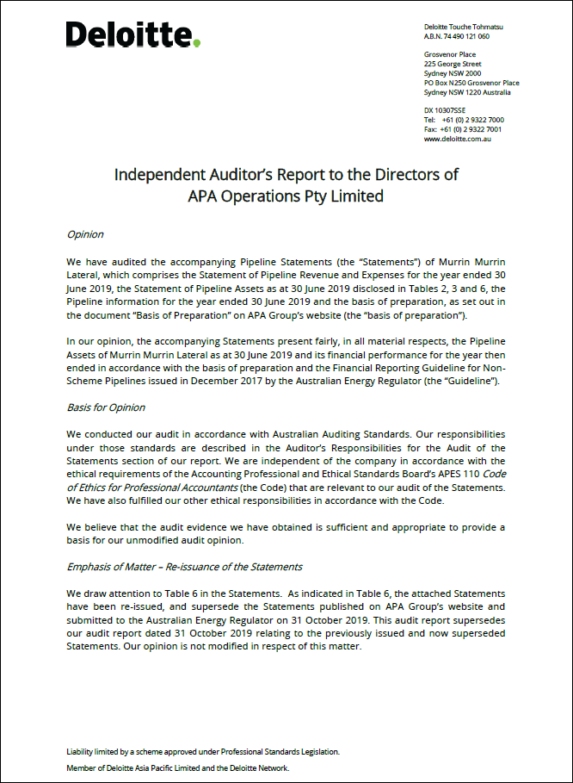
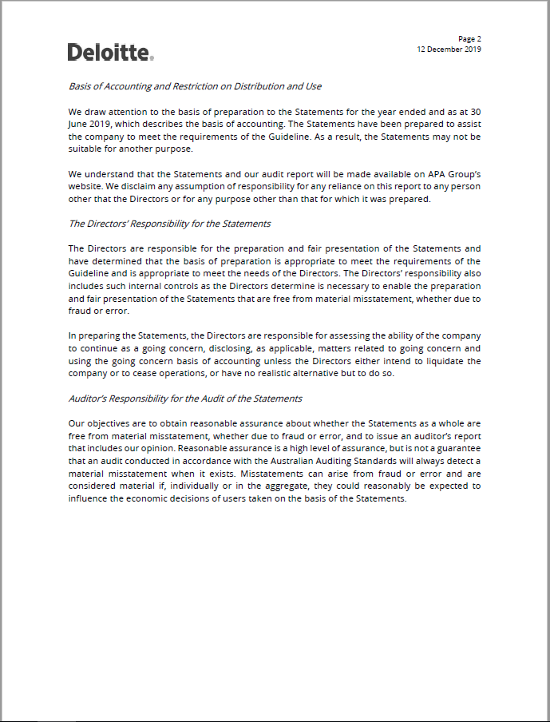
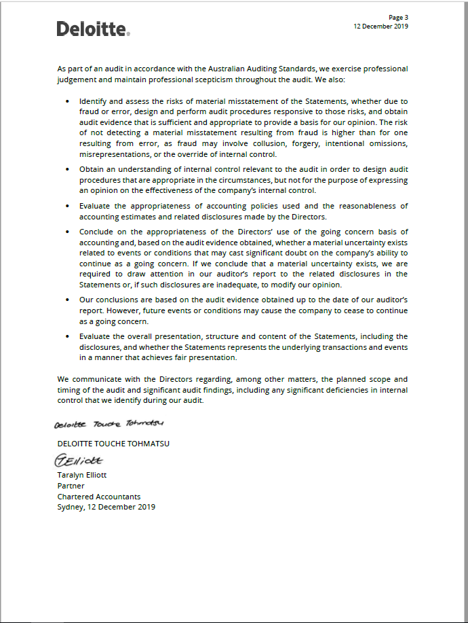

4 Recovered capital
Contents
Recovered capital method (rule 569(4))
APA OPERATIONS PTY LIMITED
Year ending | 30/06/2019

Table 4.1: Recovered capital method - pipeline assets

Basis of Preparation reference | Asset description |  | Total | Fiscal Year | Fiscal Year | Fiscal Year | Fiscal Year | Fiscal Year | Fiscal Year | Fiscal Year | Fiscal Year | Fiscal Year | Fiscal Year | Fiscal Year | Fiscal Year | Fiscal Year | Fiscal Year | Fiscal Year | Fiscal Year | Fiscal Year | Fiscal Year | Fiscal Year | Fiscal Year | Fiscal Year | Fiscal Year
 |  |  |  | 1998-01-01 | 1999-01-01 | 2000-01-01 | 2001-01-01 | 2002-01-01 | 2003-01-01 | 2004-01-01 | 2005-01-01 | 2006-01-01 | 2007-01-01 | 2008-01-01 | 2009-01-01 | 2010-01-01 | 2011-01-01 | 2012-01-01 | 2013-01-01 | 2014-01-01 | 2015-01-01 | 2016-01-01 | 2017-01-01 | 2018-01-01 | 2019-01-01
3 | Pipeline assets
 |  | Construction cost | 15,976,301 | 15,976,301 | - | - | - | - | - | - | - | - | - | - | - | - | - | - | - | - | - | - | - | - | -
 |  | Negative residual value | - | - | - | - | - | - | - | - | - | - | - | - | - | - | - | - | - | - | - | - | - | - | -
 |  | Additions | 34,507,596 | - | 191,580 | 132,736 | - | - | - | - | - | - | - | - | - | - | - | 53,228 | - | - | 52,702 | 276,470 | 758,939 | 31,925 | 33,010,016
 |  | Maintenance capitalised | 214,772 | - | - | - | - | - | - | - | - | - | - | - | - | - | - | 156,718 | - | 58,054 | - | - | - | - | -
 |  | Disposal (at cost) | - | - | - | - | - | - | - | - | - | - | - | - | - | - | - | - | - | - | - | - | - | - | -
 |  | Cost base | 50,698,669 | 15,976,301 | 191,580 | 132,736 | - | - | - | - | - | - | - | - | - | - | - | 209,946 | - | 58,054 | 52,702 | 276,470 | 758,939 | 31,925 | 33,010,016
3.2.3 | Shared assets
 |  | Construction cost or acqusition cost (where allowed) apportioned |  | - | - | - | - | - | - | - | - | - | - | - | - | - | - | - | - | - | - | - | - | - | -
 |  | Additions | 674,251 | - | - | - | - | - | - | - | - | - | - | 31,275 | 1,529 | 1,140 | 52,766 | 19,245 | 15,018 | 10,803 | 59,128 | 100,415 | 62,760 | 96,096 | 224,076
 |  | Maintenance capitalised | - | - | - | - | - | - | - | - | - | - | - | - | - | - | - | - | - | - | - | - | - | - | -
 |  | Disposal (at cost) | - | - | - | - | - | - | - | - | - | - | - | - | - | - | - | - | - | - | - | - | - | - | -
 |  | Cost base | 674,251 | - | - | - | - | - | - | - | - | - | - | 31,275 | 1,529 | 1,140 | 52,766 | 19,245 | 15,018 | 10,803 | 59,128 | 100,415 | 62,760 | 96,096 | 224,076
 |  | Total assets | 51,372,919 | 15,976,301 | 191,580 | 132,736 | - | - | - | - | - | - | - | 31,275 | 1,529 | 1,140 | 52,766 | 229,190 | 15,018 | 68,857 | 111,830 | 376,885 | 821,699 | 128,021 | 33,234,092
 | Return of capital
3.2.2 |  | Revenue | 57,948,505 | 895,802 | 1,892,143 | 1,740,031 | 1,767,983 | 1,667,829 | 1,664,940 | 1,628,051 | 1,581,649 | 1,595,299 | 1,604,096 | 2,056,079 | 2,399,161 | 2,617,692 | 2,587,946 | 2,762,031 | 2,816,635 | 2,914,284 | 2,865,596 | 3,464,308 | 5,134,244 | 4,731,991 | 7,560,717
3.2.2 |  | Operating expenses | (9,042,850) | - | - | - | - | - | - | - | - | - | - | (493,458) | (262,059) | (262,484) | (467,652) | (574,285) | (520,581) | (645,056) | (624,806) | (657,634) | (911,793) | (1,022,206) | (2,600,837)
3.2.5 |  | Net tax liabilities | (4,259,623) | - | (18,189) | - | - | - | - | - | - | - | - | - | (72,933) | (210,386) | (141,444) | (165,332) | (206,564) | (211,809) | (215,938) | (391,570) | (821,915) | (934,916) | (868,628)
3.2.4 |  | Return on capital | (32,277,947) | (895,802) | (1,873,954) | (1,740,031) | (1,767,983) | (1,667,829) | (1,664,940) | (1,628,051) | (1,581,649) | (1,595,299) | (1,604,096) | (1,481,120) | (1,621,585) | (1,596,099) | (1,452,687) | (1,393,950) | (1,394,207) | (1,241,698) | (1,171,612) | (1,111,035) | (1,030,175) | (853,358) | (1,910,788)
 |  | Total Return of Capital | 12,368,085 | - | - | - | - | - | - | - | - | - | - | 81,501 | 442,585 | 548,724 | 526,162 | 628,463 | 695,283 | 815,721 | 853,240 | 1,304,068 | 2,370,361 | 1,921,512 | 2,180,464
 |  | Recovered capital method total asset value | 39,004,835 | 15,976,301 | 191,580 | 132,736 | - | - | - | - | - | - | - | (50,226) | (441,056) | (547,583) | (473,396) | (399,273) | (680,265) | (746,864) | (741,410) | (927,184) | (1,548,662) | (1,793,491) | 31,053,628

Table 4.2: Pipeline details

Construction date | 1998-01-01
Negative residual value | -

4.1 Pipelines capex
Contents
Capital expenditure
APA OPERATIONS PTY LIMITED
Year ending | 30/06/2019

Table 4.1.1: Capital expenditure greater than 5% of construction cost

Basis of Preparation reference | Description of works | Date recognised | Expenditure ($ nominal)
3.2.1 | Compressor station and other Stay in Business items. | FY19 | 33,010,016
 |  |  | -
 |  |  | -
 |  |  | -
 |  |  | -
 |  |  | -
 |  |  | -
 |  |  | -
 |  |  | -
 |  |  | -
 |  |  | -
 |  |  | -
 |  |  | -
 |  |  | -
 |  |  | -
 |  |  | -
 |  |  | -
 |  |  | -
 |  |  | -
 |  |  | -
 |  |  | -
 |  |  | -
 |  |  | -
 |  |  | -
 |  |  | -
 |  |  | -
 |  |  | -

Auditor's Review Report RCM
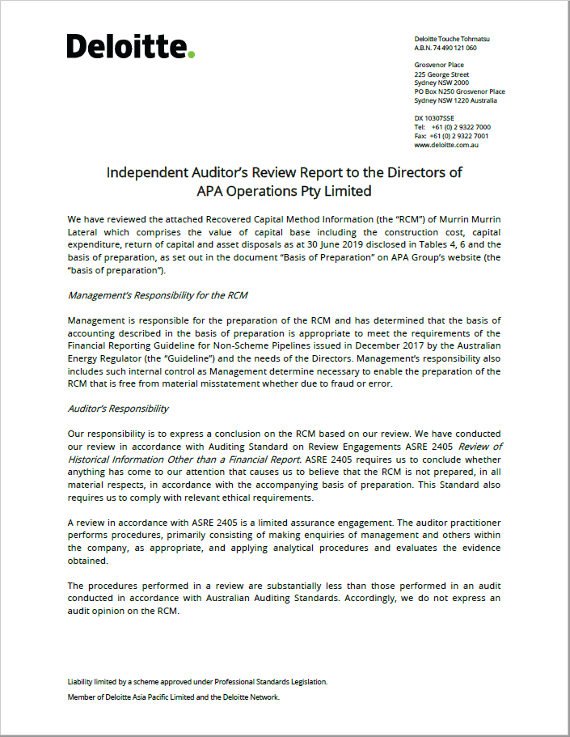
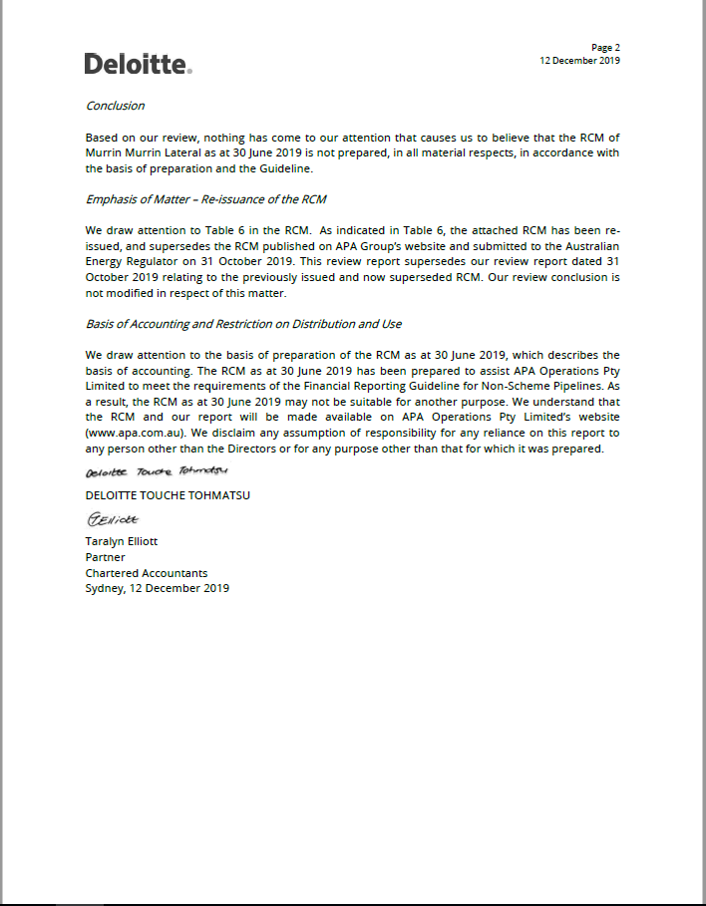

5. Weighted average price
Contents
Contents
Contents
Weighted average prices
APA OPERATIONS PTY LIMITED
Year ending | 30/06/2019

Table 5.1: Weighted average prices

 |  | Other Services |  |  |  |  |  | Postage Stamp Transportation Services |  |  |  |  |  |  | Zonal Based Transportation Services |  |  |  |  |  |  |  |  |  |  |  |  |  |  |  |  |  |  | Distance Based Transportation Services (to major delivery points)
 |  |  |  |  |  |  |  |  |  |  |  |  |  |  |  | Zone 1 |  |  |  |  |  | Zone 2 |  |  |  |  |  | Zone 3 |  |  |  |  |  |  | Major Delivery Point 1 |  |  |  |  |  | Major Delivery Point 2 |  |  |  |  |  | Major Delivery Point 3 |  |  |  |  |  | Other Delivery Points
 | Total revenue | Capacity based charges |  |  | Volumetric based charges |  |  | Total Postage Stamp Revenue | Capacity based |  |  | Volumetric based |  |  | Total Zonal Revenue | Capacity based |  |  | Volumetric based |  |  | Capacity based |  |  | Volumetric based |  |  | Capacity based |  |  | Volumetric based |  |  | Total Distance Based Revenue | Capacity based |  |  | Volumetric based |  |  | Capacity based |  |  | Volumetric based |  |  | Capacity based |  |  | Volumetric based |  |  | Capacity based |  |  | Volumetric based
Service description | $'000 | Revenue $ | Total MDQ | WAP ($/MDQ) | Revenue $ | Total TJ | WAP (GJ) | $ | Revenue $ | Total MDQ | WAP ($/MDQ) | Revenue $ | Total TJ | WAP (GJ) | $ | Revenue $ | Total MDQ | WAP ($/MDQ) | Revenue $ | Total TJ | WAP (GJ) | Revenue $ | Total MDQ | WAP ($/MDQ) | Revenue $ | Total TJ | WAP (GJ) | Revenue $ | Total MDQ | WAP ($/MDQ) | Revenue $ | Total TJ | WAP (GJ) | $'000 | Revenue $ | Total MDQ | WAP ($/MDQ) | Revenue $ | Total TJ | WAP (GJ) | Revenue $ | Total MDQ | WAP ($/MDQ) | Revenue $ | Total TJ | WAP (GJ) | Revenue $ | Total MDQ | WAP ($/MDQ) | Revenue $ | Total TJ | WAP (GJ) | Revenue $ | Total MDQ | WAP ($/MDQ) | Revenue $ | Total TJ | WAP (GJ)
Transportation services
Firm forward haul transportation services | 7,434 |  |  |  |  |  |  | 7,434 | 7,219 | 16,799 | 0.43 | 215 | 7,014 | 0.03 | - | - | - | - | - | - | - | - | - | - | - | - | - | - | - | - | - | - | - | - | - | - | - | - | - | - | - | - | - | - | - | - | - | - | - | - | - | - | - | - | - | - | - | -
Interruptible or as available transportation services | 127 |  |  |  |  |  |  | 127 | 80 | 751 | 0.11 | 47 | 446 | 0.11 | - | - | - | - | - | - | - | - | - | - | - | - | - | - | - | - | - | - | - | - | - | - | - | - | - | - | - | - | - | - | - | - | - | - | - | - | - | - | - | - | - | - | - | -
Backhaul services | - |  |  |  |  |  |  | - | - | - | - | - | - | - | - | - | - | - | - | - | - | - | - | - | - | - | - | - | - | - | - | - | - | - | - | - | - | - | - | - | - | - | - | - | - | - | - | - | - | - | - | - | - | - | - | - | - | -
Stand alone compression services
Firm stand alone compression services | - | - | - | - | - | - | -
Storage services
Firm park/park and loan services | - | - | - | - | - | - | -
Total exempt services | - | - |  |  | -
Total | 7,561 | - | - |  | - | - |  | 7,561 | 7,299 | 17,549 |  | 262 | 7,460 |  | - | - | - |  | - | - |  | - | - |  | - | - |  | - | - |  | - | - |  | - | - | - |  | - | - |  | - | - |  | - | - |  | - | - |  | - | - |  | - | - |  | - | -

5.1 Exempt WAP services
Contents
Contents
Contents
Services exemption granted from ERA for Weighted Average Price disclosure
APA OPERATIONS PTY LIMITED
Year ending | 30/06/2019

Table 5.1.1: ERA exemptions

Service category

Auditor's Review Report WAP
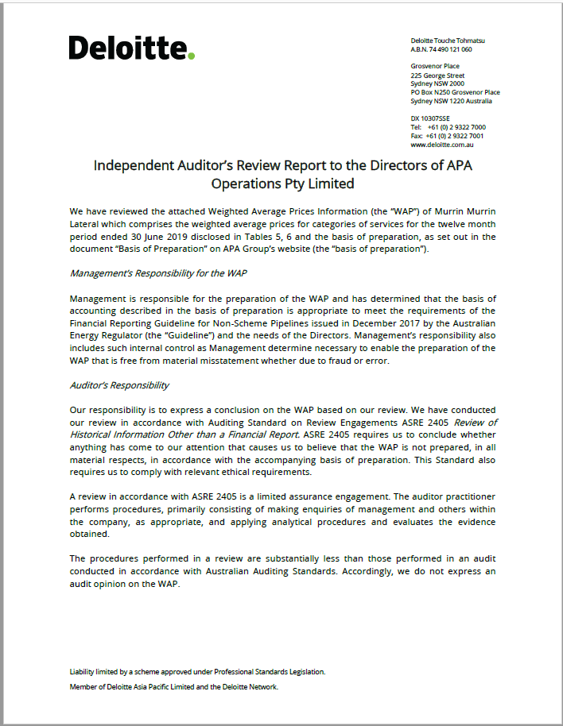
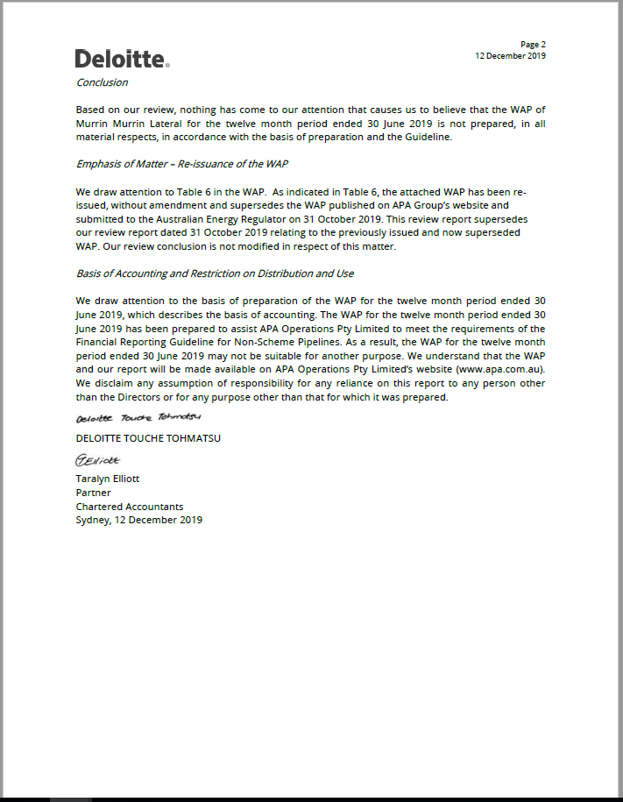

6. Notes
Contents
Additional (optional) notes and information
APA OPERATIONS PTY LIMITED
Year ending | 2019-06-30

General | Numbers may not add due to rounding.
 | Re-issuance of the Statements
 | The attached Statements, RCM and WAP information have been re-issued based on discussions with the Australian Energy Regulator. The RCM and the Statements have removed the synergy benefit in the period from 2008-2019 and replaced the previously reported standalone benchmark efficient corporate costs for 2016-2019 with corporate cost allocated based on a revenue allocator (refer section 2.3.2.2 in the Basis of Preparation). As a result of the corporate cost re-allocation, the Shared supporting asset allocation has also changed. The changes to the RCM and the Statements are as follows:
 | The RCM value and the Pipeline asset value as at 30 June 2019 have decreased by 7.6% and 0.49% respectively compared to the previously reported amounts on 31 October 2019. The Earnings before interest and tax (EBIT) value as at 30 June 2019 has increased by 9.5% compared to the previously published amounts on 31 October 2019.
 | These Statements supersede the previous version published on APA Group’s website on 31 October 2019. No changes were made to the WAP as published.
1.1 | APA has counted each contracting entity as a separate customer to determine customer numbers for each pipeline.
1.2 | Pipeline Services listed are those contracted to customers within the reporting period for the pipeline. Some services, in particular non-firm services, may be contracted but not used.
3.1 | Other non-depreciable pipeline assets includes other elements of total assets reported in Balance Sheet (e.g. debtors, capital work in progress, contract intangibles etc.).
3.1.1 | Other depreciable pipeline assets includes items such as information technology systems, motor vehicles, office and pipeline related costs which have different useful lives ranging from 5 to 80 years. APA has reported the information by asset categories in a summary line reflective of all assets acquired at inception to 30 June 2019.
3.3.1 | APA has reported the information by asset categories in a summary line reflective of all assets acquired from inception to 30 June 2019.
 | New assets are reported as commissioned with depreciation assumed in the next fiscal year.
3.3.2 | APA has reported the shared assets information per fiscal year from date of acquisition.
 | New assets are reported as commissioned with depreciation assumed in the next fiscal year.
3.4 | Shared assets represents mainly Information Technology assets and other assets such as office related assets and motor vehicles. The values are reported on a gross book basis.
4.1 | Further review of the 2018 reported amounts resulted in a number of immaterial revisions to the 2018 RCM reported estimates. As these revisions did not result in material misstatement of the 2018 reported amounts, the 2018 reports have not been restated. However, these revisions have been made in the 2019 reporting.
4.1 | Net tax liabilities incorporates mid-year tax depreciation for capital expenditure incurred during the fiscal year.
 | Capital expenditure is reported in the period commissioned and excludes capital work in progress. The reported capital additions include capitalised maintenance costs.
 | As APA acquired Murrin Murrin in 2007, APA has relied on the financial information provided by the previous owner. There are circumstances where the financial information provided by the previous owner is incomplete. For the period between the 1998 construction and APA acquisition in 2007, the RCM asset valuation has assumed that the previous owner recovered a fair post tax return on its invested capital in the pipeline. More specifically, the net revenue has been estimated as being that which would equal the amount of the fair return on capital and the tax thereon, resulting in zero recovery of capital in the intervening years. The opening RCM asset value at the date of APA acquisition is therefore equal to the sum of the original construction cost of the pipeline plus capex up to the date of APA acquisition. Based on historical information, APA has identified missing insurance costs that are attributed to the non-scheme pipeline. APA has provided estimates based on pipeline length attributable to the non-scheme pipeline for periods from 2014 to 2018.
4.1.1 | APA has reported the aggregate capital expenditure (inclusive of Stay-in-business capital expenditure) incurred each fiscal year.
5.1 | In accordance with the Guideline, APA has not reported revenue in respect of exempt services against the relevant service category in Table 5.1. Instead, revenue associated with exempt services is aggregated and reported under “Total exempt services” in Table 5.1.

